Sheet1
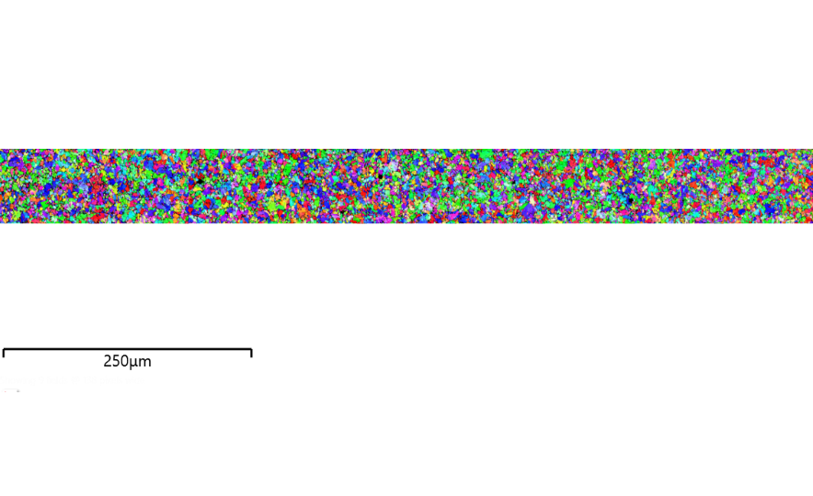

Category | Features | % Total Features | Class Features Area (sq. μm) | % Features Area
All features | 0 | 0 | 0 | 0
Classified | 0 | 0 | 0 | 0
No Classification | 0 | 0 | 0 | 0
Class | Features | % Total Features | Class Features Area (sq. μm) | % Features Area

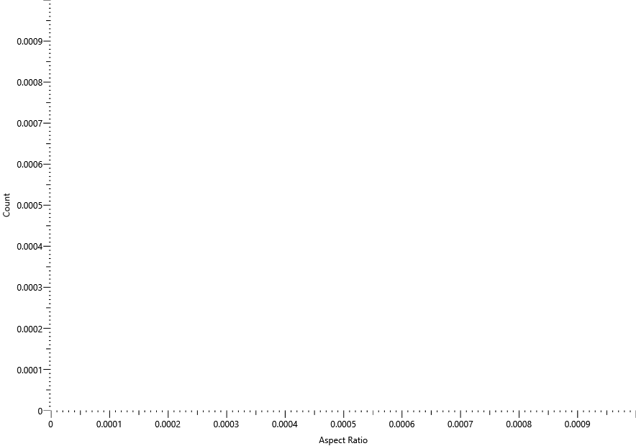

Area
Run Started | 01/01/0001 00:00:00
Run Ended | 01/01/0001 00:00:00
Running Time | 0.0 mins
Total Fields | 0
Total Analyzed Fields | 0
Run Completion Status | Unknown
Classification Scheme | None
Features Detected | 0
Features Analyzed | 0
Field Area (sq. μm) | 0
Total Analyzed Area (sq. μm) | 0
Total Area of Analyzed Features (sq. μm) | 0
% Detected Features Area | n.a.
% Analyzed Features Area | n.a.

Property | Count | Minimum | Maximum | Area-weighted Mean | Area-weighted St Dev
Area (sq. μm) | 0 | 0 | 0 | 0 | 0
Aspect Ratio | 0 | 0 | 0 | 0 | 0
Breadth (μm) | 0 | 0 | 0 | 0 | 0
Direction (°) | 0 | 0 | 0 | 0 | 0
ECD (μm) | 0 | 0 | 0 | 0 | 0
Length (μm) | 0 | 0 | 0 | 0 | 0
Perimeter (μm) | 0 | 0 | 0 | 0 | 0
Shape | 0 | 0 | 0 | 0 | 0
Mean Gray Level | 0 | 0 | 0 | 0 | 0

